Figure 4.2 & 4.3
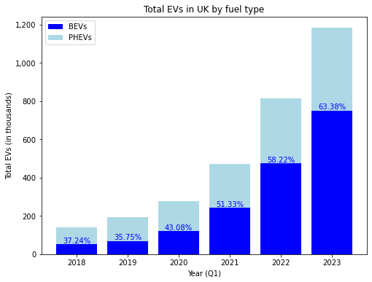
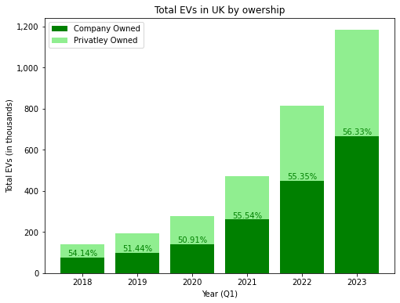
Figure 3 + 4
Source: veh 0142
Year (Q1) | Number of EVs | Cars | Light Goods Vehicles | Battery | PHEV | Company | Private | BEV increase | PHEV increase
2018 | 140678 | 133554 | 7124 | 52394 | 88284 | 76161 | 64517 | % | %
2019 | 194060 | 185510 | 8550 | 69368 | 124692 | 99830 | 94230 | 32.396839333 | 41.239635721
2020 | 278376 | 266052 | 12324 | 119914 | 158462 | 141727 | 136649 | 72.86645139 | 27.082731851
2021 | 471910 | 452828 | 19082 | 242209 | 229701 | 262076 | 209834 | 101.98558967 | 44.956519544
2022 | 813457 | 780024 | 33433 | 473567 | 339890 | 450256 | 363201 | 95.519984807 | 47.970622679
2023 | 1182843 | 1133246 | 49597 | 749686 | 433157 | 666245 | 516598 | 58.306216438 | 27.440348348
 |  |  |  |  |  |  |  | 82.169560577 | 36.862555606

Figure 4.4
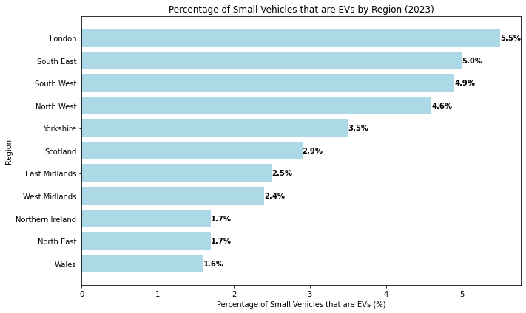
Source: veh 0142 and veh 0105
 | % of small vehicles that are EVs in 2023
 | North East | North West | Yorkshire and the Humber | East Midlands | West Midlands | London | South East | South West | Wales | Scotland | Northern Ireland
All small EVs | 23999 | 188574 | 105330 | 74639 | 80945 | 153861 | 308454 | 194929 | 29906 | 83957 | 20595
All Small Vehicles | 1376000 | 4096100 | 2995900 | 2937900 | 3327600 | 2800900 | 6208700 | 3972800 | 1881600 | 2919400 | 1178100
% | 1.7 | 4.6 | 3.5 | 2.5 | 2.4 | 5.5 | 5.0 | 4.9 | 1.6 | 2.9 | 1.7

Figure 4.5
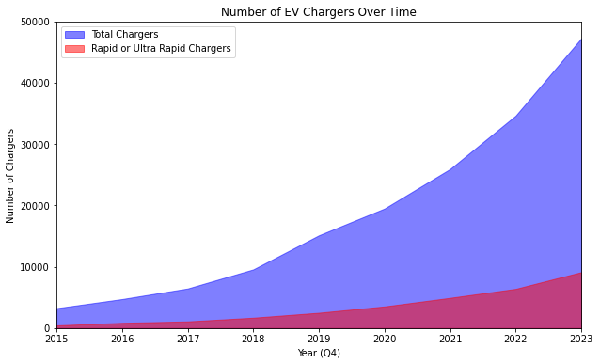
Source: EVCD Table 3

Year (Q4) | # EV Chargers | # Rapid Chargers | % Rapid | Increase | Average
2015 | 3248 | 431 | 13.27
2016 | 4725 | 852 | 18.03 | 1.4547413793 | 1.4074558096
2017 | 6454 | 1088 | 16.86 | 1.3659259259
2018 | 9565 | 1690 | 17.67 | 1.4820266501
2019 | 15116 | 2495 | 16.51 | 1.5803450078
2020 | 19487 | 3530 | 18.11 | 1.2891637999
2021 | 25927 | 4923 | 18.99 | 1.3304767281
2022 | 34637 | 6395 | 18.46 | 1.3359432252
2023 | 49220 | 8908 | 18.86 | 1.4210237607

Figure 4.6
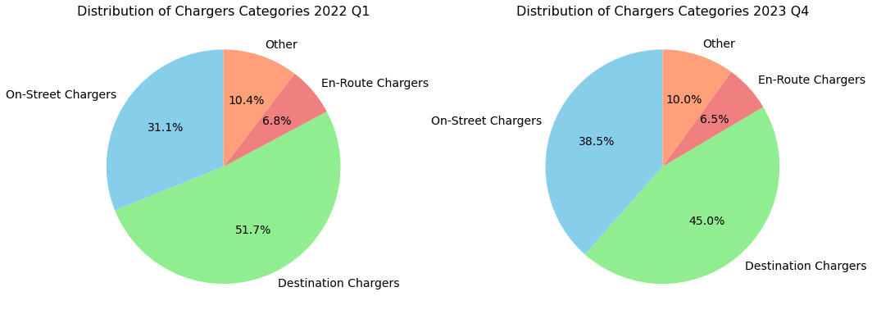
Source: EVCD Table 5
 | Number of different EV chargers in the UK
 | On-Street | Destination | En-Route Charging | Other | Total
Oct-23 | 18942 | 22167 | 3217 | 4894 | 49220
% | 38.48 | 45.04 | 6.54 | 9.94
Jan-22 | 8816 | 14678 | 1920 | 2961 | 28375
% | 31.07 | 51.73 | 6.77 | 10.44

Figure 5.1
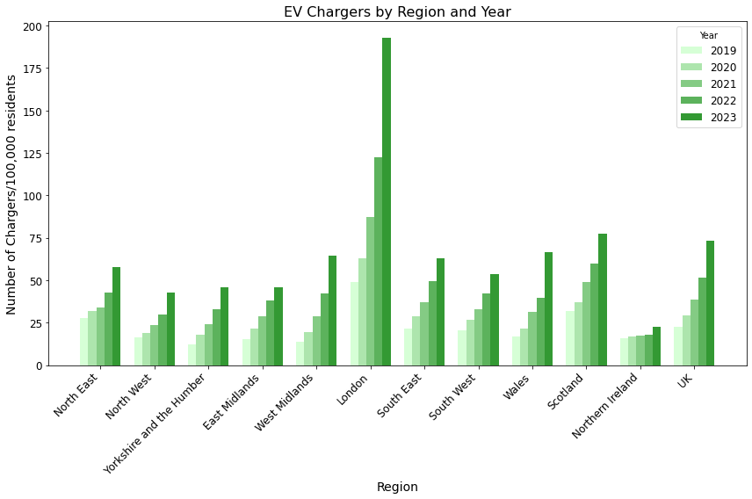
Source: EVCDT Sheet 2a

Electirc Vehicle charging stats/100,000

 | Electric Charger /100,000 residents
Year (Q4) | North East | North West | Yorkshire and the Humber | East Midlands | West Midlands | London | South East | South West | Wales | Scotland | Northern Ireland | UK
2019 | 27.8 | 16.5 | 12.1 | 15.5 | 13.8 | 48.9 | 21.5 | 20.5 | 16.9 | 32.1 | 15.7 | 22.8
2020 | 31.8 | 19.1 | 18.1 | 21.3 | 19.2 | 63.1 | 28.9 | 26.8 | 21.4 | 37.3 | 16.8 | 29.2
2021 | 34.2 | 23.4 | 24 | 29 | 28.9 | 87.4 | 37.1 | 33.1 | 31.4 | 49 | 17.5 | 38.7
2022 | 42.6 | 29.7 | 33 | 37.9 | 42.2 | 122.5 | 49.5 | 42.2 | 39.4 | 59.9 | 18 | 51.6
2023 | 58 | 42.5 | 46 | 45.8 | 64.7 | 192.8 | 62.9 | 53.8 | 66.4 | 77.4 | 22.6 | 73.4

Figure 5.2
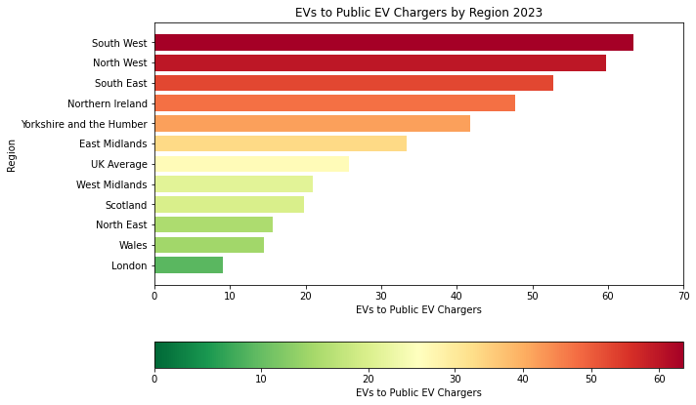
Sources: EVCDT Sheet 1a and veh 0142

2023 Q3 | North East | North West | Yorkshire and the Humber | East Midlands | West Midlands | London | South East | South West | Wales | Scotland | Northern Ireland
EV Charging Devices | 1536 | 3154 | 2524 | 2237 | 3853 | 16963 | 5845 | 3075 | 2061 | 4239 | 431
EVs | 23999 | 188574 | 105330 | 74639 | 80945 | 153861 | 308454 | 194929 | 29906 | 83957 | 20595
EV/EV Chargers | 15.62 | 59.79 | 41.73 | 33.37 | 21.01 | 9.07 | 52.77 | 63.39 | 14.51 | 19.81 | 47.78

